Loads, DERs, IEDs per bus
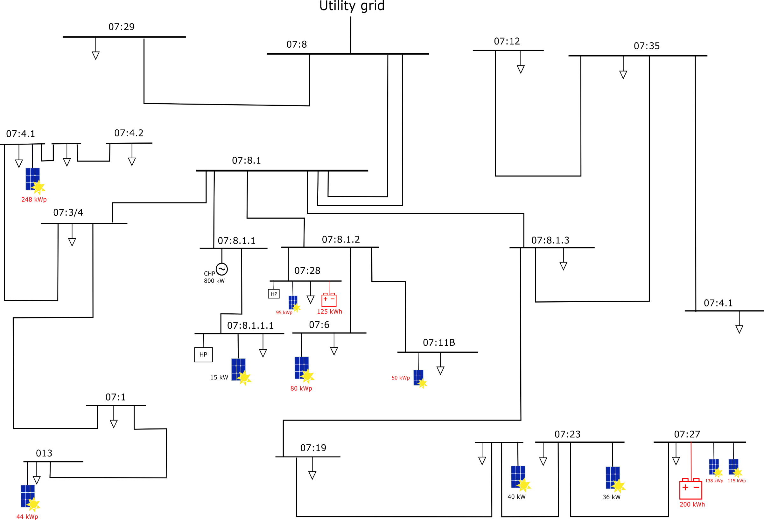
O7:17
38 kWp reactive
66 kWp re.
73 kWp
reactive
46 kWp
42 kWp
reactive
125 kWp
Reactive
(norra)
116 + 61 kWp
Reactive (södra+AWL)
16 kWp
248 kWp
reactive
25
26
8
29
1
33
31
2
22
21
4
11
10
13
18
14
16
5
6
35
3
MV-ID number | LV-ID number | Building code (AH) | Building Name | Available resources | Available Measurement | File Name historic consumption data | Comments on historical data | ID of consumption Data from API | Presence of PVs ? | File Name historic production data | ID of production Data from API | Question to AH | TFO | GPS | Comment | Data_Pertinence | Data_Pertinence_production | Column1 | PV data | Load data | PV prediction | Load prediction
1 |  | 7:08:00 | connection to external grid | None | Total active power consumption Chalmers Campus Voltage per phase | Chalmers test site\Historical data\Mätdata\Mätdata\Inkommande el campus | We have some historical data but it is not in AH API | INKOP_EL_SUM_PROD_PV | NO |  |  | is this the correct tag correct: O0007008_EL_901_PV2 | - | 57.68936959071839, 11.977282946239676
2 |  | 07:8.1 | rum 4026 (Kraftcentralen) | None | None |  |  |  | NO |  |  |  | -
3 |  | 07:8.1.3 | rum 4023 (Kraftcentralen) | None | None |  |  |  | NO |  |  | Är det någon last ansluten hit? I cant find the measurement for this, I think it should be 2 transformers here but i cant find any data for those. | T08.5
4 | 39 | 7:19:00 | Karhus CFAB,Karhus studenter, Cadministration | Load | Active power consumption Voltage per phase Current per phase | 9653 | No data for begining of 2019, a large peak in begining of january | O0007019_EL_SUM_CONS_PV | NO |  |  | Does this include data for kårhus and kårhus student as well? | T19.1 | 57.68889361071283, 11.974691932327556 |  | No data after 05/2019 |  |  |  |  |  |  | 25, 26, 29 nodes : same building
5 | 40 | 7:23:00 | SB2 | Load Solar PV | Active power consumption Voltage per phase Current per phase | 9614 |  | O0007023_EL_SUM_CONS_PV | YES | 16821 | O0007023_EL_SUM_PROD_PV |  | T23.1 | 57.687683561108855, 11.976344173083652 |  |  |  |  |  |  |  |  | How to model the power injection/consumption from the blue area
5 | 40 | 7:26:00 | SB1 Arkitektur | Load Solar PV | Active power consumption Voltage per phase Current per phase | 9658 |  | O0007026_EL_SUM_CONS_PV | YES | 16710 | O0007026_EL_SUM_PROD_PV |  | T23.2
6 | 7 | 7:27:00 | SB3 | Load Solar PV (Q control) | Active power consumption Voltage per phase Current per phase | 9659 |  | O0007027_EL_SUM_CONS_PV | YES | 16871 (norra) | O0007027_EL_SUM_PROD_PV | O0007027_EL_SUM_PROD_PV : is it the sum of the two pv panels production ? Or is it only norra ? If so | T27.2 | 57.68645053059342, 11.977481429706609 |  |  |  |  |  |  |  |  |  | probably not possible to have all the measurements
6 | 7 | 7:43:00 | Phus | Load (EV charger + light) | Active power consumption Voltage per phase Current per phase | 15755 |  | O0007043_EL_SUM_CONS_PV | NO |  |  |  | T27.2 | 57.68645053059342, 11.977481429706609 |  |  |  |  |  |  |  |  |  | agreagated
6 | 7 | 07:27.44 | AWL + PV on södra hallen | Load Solar PV Battery | Active power consumption Voltage per phase Current per phase | 16991 | New building no historical data since 2019 | O0007044_EL_SUM_CONS_PV | YES | 16884 | O0007044_EL_SUM_PROD_PV |  | T27.2 | 57.685762309280555, 11.978436296118316 | located under 07:27 | Last months have a static value | I think there has been some communication errors here as well |  |  |  |  |  |  | small area and small voltage deviations
8 | 9 | 07:29E | MC2 | Load | Active power consumption Voltage per phase Current per phase | Chalmers test site\Historical data\Mätdata\Mätdata\MC2 | We have some historical data but it is not in AH system | O3060133_EL_SUM_CONS_PV | NO |  |  |  | T1, T3, T5 | 57.6911616280284, 11.97519082321022
10 |  | 07:8.1.1 | - | None |  |  |  |  | NO |  |  |  | -
11 | 12 | 07:8.1.1.1 | Kraftcentral | Load Solar PV Heat pump * 2 CHP | Active power consumption Voltage per phase Current per phase | 9513 |  | O0007008_EL_SUM_CONS_PV | YES | 16943 | O0007008_EL_SUM_PROD_PV | Förbrukningen för lokalkontoret är inkluderat i kraftcentralen i webport, hur ser det ut i historisk data? | T08.1, T08.3 | 57.68936959071839, 11.977282946239676
11 | 12 | 07:8.1.1.1 / 07:0888 | Lokalkontor | Load Controlable Ventilation | Active power consumption Voltage per phase Current per phase | 9821 |  | O0007888_EL_001_PV2 | NO |  |  | Är förbrukningen för lokalkontoret inkluderat i kraftcentralen i den historiska datan? | T08.1, T08.3 | 57.68936959071839, 11.977282946239676
99?
13 |  | 07:8.1.2 | - | None |  |  |  |  | NO |  |  |  | -
14 | 15 | 7:06:00 | NyaMatte | Load | Active power consumption Voltage per phase Current per phase | 14506 |  | O0007006_EL_SUM_CONS_PV | NO |  |  |  | T06.1 | 57.69022691242387, 11.977663819927612
14 | 15 | 7:17:00 | Bibliotek | Load Solar PV (Q control) | Active power consumption Voltage per phase Current per phase | 9613 |  | O0007017_EL_SUM_CONS_PV | YES | 16872 | O0007017_EL_SUM_PROD_PV | data also available here 07_17 external file | T06.1 | 57.690437640065284, 11.97860173793054 | Located under 07:06
16 | 17 | 7:18:00 | Idelara | Load | Active power consumption Voltage per phase Current per phase | 9652 |  | O0007018_EL_SUM_CONS_PV | NO |  |  |  | T11.2 | 57.68763768164879, 11.978323643339133
16 | 17 | 07:11B | Studentbostader | Load | Active power consumption Voltage per phase Current per phase | 9514 | The data file is empty |  | NO |  |  | Do we have any data for studentbostäder? Where is this consumption measured | T11.2 | 57.68763768164879, 11.978323643339133 |  | No data | This is owned by another landlord so they do probably not have any data for this building but im investigating. |  |  |  |  |  |  |  |  | Node 7 : maybe part of node 5 ? Or not existing ?
16 | 17 | 7:24:00 | Edit | Load Solar PV (Q control) | Active power consumption Voltage per phase Current per phase | 14497 |  | O0007024_EL_SUM_CONS_PV | YES | O7_24 external file | O0007024_EL_SUM_PROD_PV |  | T11.2 | 57.68763768164879, 11.978323643339133 | located under 07:11b
18 | 19 | 7:28:00 | Maskinteknik | Load Solar PV Battery HP | Active power consumption Voltage per phase Current per phase | 9686 |  | O0007028_EL_SUM_CONS_PV | YES | O7_28 external file+E22D22:K23N23F22:K23C22:K23 | O0007028_EL_SUM_PROD_PV | OBS: In the realtime data consumption for HP at Maskin is merged with consumption kraftcentralen, is it the same for historical data? | T28.1, T28.3 | 57.689191815776, 11.978468482627191
18 | 19 | 7:25:00 | HB | Load | Active power consumption Voltage per phase Current per phase | 9657 |  | O0007022_EL_SUM_CONS_PV | NO |  |  |  | T28.1, T28.3 | 57.689191815776, 11.978468482627191
18 | 19 | 7:22:00 | HA | Load | Active power consumption Voltage per phase Current per phase | 9656 |  | O0007025_EL_SUM_CONS_PV | NO |  |  |  | T28.1, T28.3 | 57.689191815776, 11.978468482627191
21 | 24 | 7:01:00 | Fysik Origo | Load | Active power consumption Voltage per phase Current per phase | 14505 |  | O0007001_EL_SUM_CONS_PV | NO |  |  |  | T01.1, T01.2 | 57.69007207990653, 11.975974028244467
22 | 23 | O11 | Fysik Soliden | Load | Active power consumption Voltage per phase Current per phase | 14503 |  | O0011001_EL_SUM_CONS_PV | NO |  |  |  | T13.1 | 57.69022691242387, 11.975035255087162 |  | Strange data 24/01/2021 -> 23/02/2021 | There was some error in the communication system causing this issue. Cant do anything about it
22 | 23 | O05 | Polymerteknologi | Load | Active power consumption Voltage per phase Current per phase | 9648 |  | O0007005_EL_SUM_CONS_PV | NO |  |  | Is this the same as IT gymnasiet villan? | ??? |  |  | Strange data 24/01/2021 -> 23/02/2021 | There was some error in the communication system causing this issue. Cant do anything about it |  |  |  |  |  |  |  | hj
22 | 23 | O13 | Keramforskning | Load | Active power consumption Voltage per phase Current per phase | 9738 |  | O0013001_EL_SUM_CONS_PV | NO |  |  | s this the same as IT gymnasiet? | ??? |  |  | Strange data 24/01/2021 -> 23/02/2021 | There was some error in the communication system causing this issue. Cant do anything about it
31 | 37 | 07:35(SF) | - | None |  | 9820 | The data file is empty |  | NO |  |  | Vi har ingen data för "ställverk förråd" | - |  |  | No data | It could be that there are no loads here.
33 | 34 | 7:12:00 | Elkraftteknik | Load | Active power consumption Voltage per phase Current per phase | 9651 |  | O0007012_EL_SUM_CONS_PV | NO |  |  |  | T12.1, T12.2 | 57.68733659628452, 11.979782765041815
33 | 34 | 7:21:00 | HC | Load | Active power consumption Voltage per phase Current per phase | 9655 |  | O0007021_EL_SUM_CONS_PV | NO |  |  |  | T12.1, T12.2 | 57.68733659628452, 11.979782765041815
33 | 34 | 7:14:00 | Gibraltar herrgard | Load | Active power consumption Voltage per phase Current per phase | 9515 |  | O0007014_EL_SUM_CONS_PV | NO |  |  |  | T12.1, T12.2 | 57.68733659628452, 11.979782765041815 |  | Strange data 24/01/2021 -> 23/02/2021 | Im not sure why.
35 | 36 | 7:41:00 | GamlaMatte | Load | Active power consumption Voltage per phase Current per phase | 9687 |  | O0007040_EL_SUM_CONS_PV | NO |  |  | Is this the same as eklandagatan 86 difference between 07:40 and 07:41? | T40.1 | 57.68553576690779, 11.981858794825294
 |  |  |  |  |  |  |  |  | NO |  |  |  | -
25 | 28 | 07:4.1 | Kemi | Load Solar PV |  | 24/03/2021 : David will investigate the possibility to collect historic data from nodes 25,26,29 |  | included in 07:03/4 | There is only one plant at kemi i suggest to model this as 1 node. |  |  | No division between the transformers in your data
26 | 27 | 07:4.2 | Kemi | Load Solar PV |  | 24/03/2021 : David will investigate the possibility to collect historic data from nodes 25,26,29 |  | included in 07:03/4 | There is only one plant at kemi i suggest to model this as 1 node.
29 | 30 | 07:3/4 | Kemi | Load Solar PV | Active power consumption Voltage per phase Current per phase | \Chalmers test site\Historical data\Mätdata\Mätdata\Kemi | We have some historical data but it is not in AH system. | O3060132_EL_SUM_CONS_PV | YES | Chalmers test site\Historical data\Mätdata\Mätdata\Kemi\Solceller | 24/03/2021 : David to provide the ID to collect these data in RT | Does this include PV production e.g. net consumption? | T04.6 | 57.691022665628765, 11.977301451630304

